Title page

 | Excel Skills for Business: Essentials

 | Day 4: Performing Calculations

 |  | Practice Challenge Part 2

Day 4: Learning Objectives

Explain the syntax of basic formulas and functions Use formulas and functions to perform simple calculations Describe the difference between relative and absolute cell references

Instructions

In this challenge, you are in charge of finalizing the payroll for a business. Follow the instructions closely.
Can you figure out the formulas to complete their quote?

Weekly Payroll Challenge
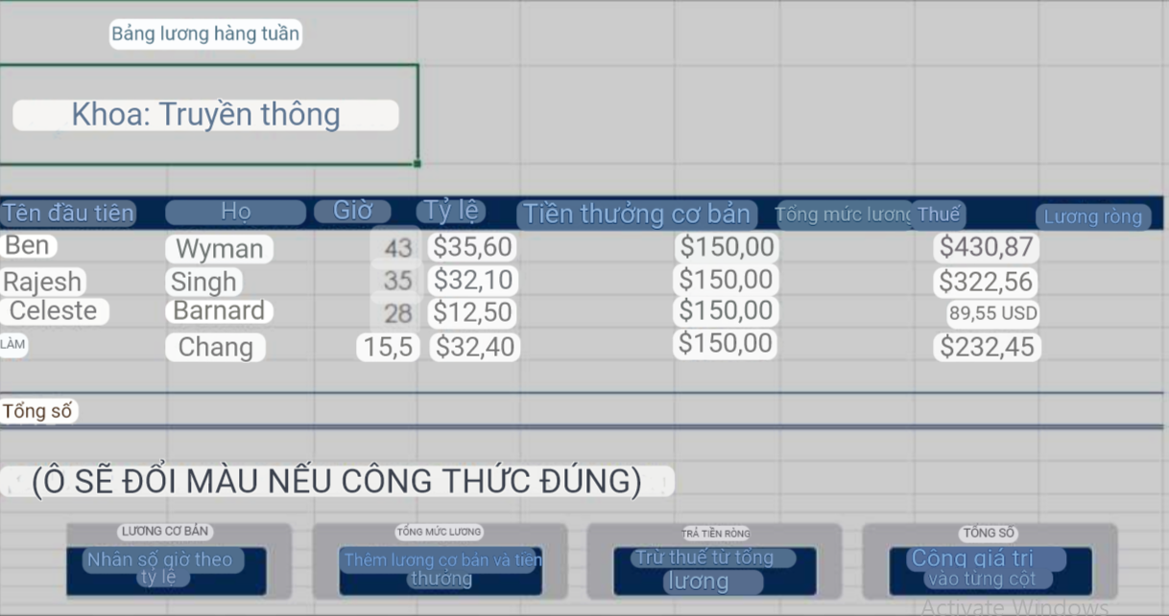
Weekly Payroll
Department: Communications

First Name | Last Name | Hours | Rate | Base Salary | Bonus | Gross Pay | Tax | Net Pay
Ben | Wyman | 43 | $35.60 | $1,530.80 | $150.00 | $1,680.80 | $430.87 | $1,249.93
Rajesh | Singh | 35 | $32.10 | $1,123.50 | $150.00 | $1,273.50 | $322.56 | $950.94
Celeste | Barnard | 28 | $12.50 | $350.00 | $150.00 | $500.00 | $89.55 | $410.45
Yi | Chang | 15.5 | $32.40 | $502.20 | $150.00 | $652.20 | $232.45 | $419.75

Totals |  | 121.5 | 112.6 | 3506.5 | 600 | 4106.5 | 1075.43 | 3031.07

(CELL WILL CHANGE COLOUR IF FORMULA IS CORRECT)

